BEER
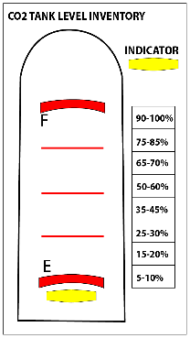
NEXT ORDER DATE: | 2026-10-01
BOTTLES | UNIT | PAR
CORONA | 24/cs | 24
CORONA LIGHT | 24/cs | 15
MODEL-NEGRA | 24/cs | 15
PACIFICO | 24/cs | 12

KEGS | UNIT | PAR
MODEL-ESPECIAL | 0.25 | 1.5
DOS X-AMBER | 0.16666666667 | 2

EMPTY KEGS | UNIT
TOT EMPTY KEGS | ANY

CO2-SM 20LB-BEER | UNIT | PAR
CO2 - 20 LB | EA | 2.5

CO2-LG 400 LB-SODA | UNIT | PAR
CO2 - 400 LB | % | 20

WALK IN COOLER PROCEDURES
- Only sets of 6 bottles are allowed to be kept in the walk-in cooler - That means you can only have 6, 12, 18, 24 bottles etc…
GENERAL PROCEDURES
- Every week, new Blank columns will be added - These are the only Columns you are to fill out.
- You are to fill out only the areas highlighted "green"

